例題12エタノール水2成分蒸留
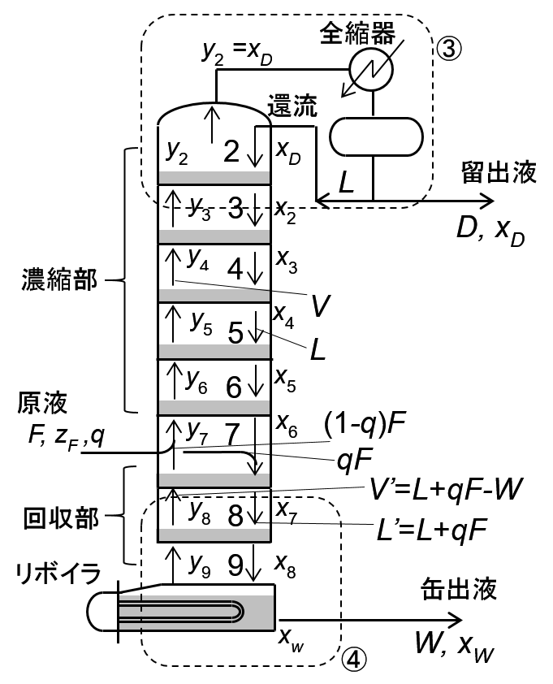
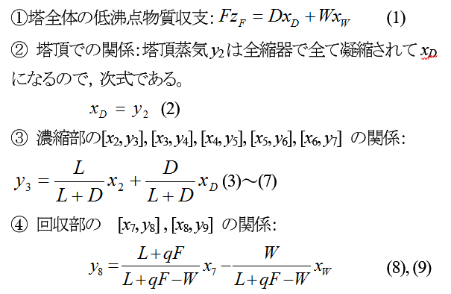
F= | 1 |  |  |  | L/(L+D)= | 0.5 | グラフ用データ
D= | 0.5 |  |  |  | D/(L+D)= | 0.5 | 0.053 | 0
W= | 0.5 |  |  |  | (L+qF-W)= | 0.5 | 0.053 | 0.32322303212
zF= | 0.4 |  |  |  | (L+qF)/(L+qF-W)= | 2.00 | 0.188 | 0.32322303212
q= | 0.5 |  |  |  | W/(L+qF-W)= | 1.00 | 0.188 | 0.51366380013
R= | 1 |  |  |  |  |  | 0.283 | 0.51366380013
L= | 0.5 |  |  |  |  |  | 0.283 | 0.56114035446
 | x | α | yi | Eqs. |  |  | 0.375 | 0.56114035446
xD= | 0.747 |  |  | -2.5877694497E-05 | 式(1) |  | 0.375 | 0.60559741246
x2= | 0.698 | 1.28 | 0.747 | -3.5238056473E-07 | 式(3) |  | 0.464 | 0.60559741246
x3= | 0.636 | 1.49 | 0.723 | 1.0189156513E-06 | 式(4) |  | 0.464 | 0.65061752599
x4= | 0.554 | 1.80 | 0.692 | 7.107836984E-06 | 式(5) |  | 0.554 | 0.65061752599
x5= | 0.464 | 2.15 | 0.651 | 4.4096052551E-06 | 式(6) |  | 0.554 | 0.69156774396
x6= | 0.375 | 2.56 | 0.606 | 4.7702422226E-06 | 式(7) |  | 0.636 | 0.69156774396
x7= | 0.283 | 3.24 | 0.561 | 8.6056834984E-06 | 式(8) |  | 0.636 | 0.72270702467
x8= | 0.188 | 4.56 | 0.514 | 4.7656012963E-06 | 式(9) |  | 0.698 | 0.72270702467
xW= | 0.053 | 8.55 | 0.323 | 0.000 | 式(2) |  | 0.698 | 0.747049448
 |  |  |  | 1.0854863479E-09 |  |  | 0.747 | 0.747049448
 |  |  |  |  |  |  | 0.747 | 0

 |  |  |  |  |  |  | 0 | 0
 |  |  |  |  |  |  | 1 | 1
 |  |  |  |  |  |  | x-y
 |  |  |  |  |  |  | x | α | y
 |  |  |  |  |  |  | 0.89 |  | 0.89
 |  |  |  |  |  |  | 0.804 |  | 0.815
 |  |  |  |  |  |  | 0.730 | 1.189 | 0.76279482955
 |  |  |  |  |  |  | 0.6 | 1.628 | 0.70948223715
 |  |  |  |  |  |  | 0.500 | 2.010 | 0.66781064376
 |  |  |  |  |  |  | 0.3 | 3.079 | 0.5689211562
 |  |  |  |  |  |  | 0.250 | 3.604 | 0.54571193771
 |  |  |  |  |  |  | 0.2 | 4.343 | 0.52057962767
 |  |  |  |  |  |  | 0.150 | 5.375 | 0.48678996307
 |  |  |  |  |  |  | 0.1 | 6.786 | 0.42988903754
 |  |  |  |  |  |  | 0.070 | 7.857 | 0.37160504125
 |  |  |  |  |  |  | 0.05 | 8.677 | 0.31351855919
 |  |  |  |  |  |  | 0.020 | 10.088 | 0.17072663563
 |  |  |  |  |  |  | 0.01 | 10.610 | 0.096795244535
 |  |  |  |  |  |  | 0 |  | 0

 |  |  |  |  |  |  | 0.053 | 0.053
 |  |  |  |  |  |  | 0.284 | 0.516
 |  |  |  |  |  |  | 0.747 | 0.747

 |  |  |  |  |  |  | 0.284 | 0.516
 |  |  |  |  |  |  | 0.4 | 0.4
 |  |  |  |  |  |  | 0.4 | 0

EtOHWater気液平衡
ｴﾀﾉ-ﾙ/水気液平衡文献値 |  |  |  |  |  | 0 | 0
ｘ | ｙ | 温度[C] | α | 相間α | y | 1 | 1
0 | 0
0.0222 | 0.186 | 94.8 | 10.064346902 | 9.9766607456 | 0.18467874347
0.0519 | 0.318 | 90.5 | 8.5178410998 | 8.5954546085 | 0.31997043765
0.0871 | 0.406 | 87.2 | 7.1638195967 | 7.2241128482 | 0.40802280991
0.172 | 0.505 | 84 | 4.911205074 | 4.8797372215 | 0.50339312111
0.324 | 0.586 | 81.5 | 2.9532414863 | 2.8847698789 | 0.58029769381
0.506 | 0.661 | 80.5 | 1.9036109459 | 1.9873828815 | 0.6705822782
0.663 | 0.733 | 78.8 | 1.3954333102 | 1.3930444233 | 0.73266453513
0.735 | 0.776 | 78.5 | 1.2490281827 | 1.1779909288 | 0.76565747067 |  |  |  |  |  |  |  |  |  |  | Liquid x composition profiles | Vapour y composition profiles
0.804 | 0.815 | 78.4 | 1.0739545516 | 1.1137720904 | 0.82042611868
0.917 | 0.906 | 78.3 | 0.87238683032 | 1.6683182277 | 0.94853823204 |  |  |  |  |  |  |  |  |  |  | Stage Ethanol Water | Stage Ethanol Water
1 | 1 | 78.3 | 1
 |  |  |  |  |  |  |  |  |  |  |  |  |  |  |  | 1 0.956770 0.0432300 | 1 0.970326 0.0296736
 |  |  |  |  |  |  |  |  |  |  |  |  |  |  |  | 2 0.937219 0.0627807 | 2 0.956770 0.0432300
 |  |  |  |  |  |  |  |  |  |  |  |  |  |  |  | 3 0.916209 0.0837914 | 3 0.942112 0.0578884
 |  |  |  |  |  |  |  |  |  |  |  |  |  |  |  | 4 0.893783 0.106217 | 4 0.926369 0.0736312
 |  |  |  |  |  |  |  |  |  |  |  |  |  |  |  | 5 0.870011 0.129989 | 5 0.909577 0.0904226
 |  |  |  |  |  |  |  |  |  |  |  |  |  |  |  | 6 0.844981 0.155019 | 6 0.891791 0.108209
 |  |  |  |  |  |  |  |  |  |  |  |  |  |  |  | 7 0.818798 0.181202 | 7 0.873079 0.126921
 |  |  |  |  |  | DeCHEMA/VanLaar |  | Raoul's law |  | Gamma-Phi/UNIFAC |  | NRTL |  | ASOG |  | 8 0.791577 0.208423 | 8 0.853520 0.146480
 |  |  |  |  |  | x | y | x | y | x | y | x | y | x | y | 9 0.763434 0.236566 | 9 0.833204 0.166796
 |  |  |  |  |  | 0.848 | 0.855 | 0.919 | 0.962 |  |  |  |  | 0.956 | 0.97 | 10 0.734481 0.265519 | 10 0.812219 0.187781
 |  |  |  |  |  | 0.8017 | 0.819 | 0.81 | 0.905 | 0.822 | 0.836 | 0.836 | 0.842 | 0.916 | 0.942 | 11 0.704818 0.295182 | 11 0.790650 0.209350
 |  |  |  |  |  | 0.739 | 0.777 | 0.729 | 0.858 | 0.796 | 0.817 | 0.8 | 0.821 | 0.818 | 0.873 | 12 0.674520 0.325480 | 12 0.768573 0.231427
 |  |  |  |  |  | 0.673 | 0.738 | 0.547 | 0.729 | 0.732 | 0.775 | 0.7 | 0.7498 | 0.7 | 0.79 | 13 0.643636 0.356364 | 13 0.746046 0.253954
 |  |  |  |  |  | 0.573 | 0.687 | 0.45 | 0.647 | 0.61 | 0.705 | 0.573 | 0.686 | 0.58 | 0.6997 | 14 0.612178 0.387822 | 14 0.723107 0.276893
 |  |  |  |  |  | 0.455 | 0.638 | 0.343 | 0.538 | 0.442 | 0.624 | 0.457 | 0.64 | 0.44 | 0.599 | 15 0.580110 0.419890 | 15 0.699766 0.300234
 |  |  |  |  |  | 0.3695 | 0.607 | 0.227 | 0.395 | 0.366 | 0.592 | 0.369 | 0.609 | 0.305 | 0.507 | 16 0.547342 0.452658 | 16 0.675999 0.324001
 |  |  |  |  |  | 0.168 | 0.511 | 0.117 | 0.227 | 0.187 | 0.515 | 0.166 | 0.515 | 0.162 | 0.413 | 17 0.513716 0.486284 | 17 0.651740 0.348260
 |  |  |  |  |  | 0.029 | 0.229 | 0.025 | 0.055 | 0.029 | 0.258 | 0.029 | 0.226 | 0.0267 | 0.215 | 18 0.478986 0.521014 | 18 0.626875 0.373125
 |  |  |  |  |  |  |  |  |  |  |  |  |  |  |  | 19 0.442792 0.557208 | 19 0.601225 0.398775
 |  |  |  |  |  |  |  |  |  |  |  |  |  |  |  | 20 0.442477 0.557523 | 20 0.601003 0.398997
 |  |  |  |  |  |  |  |  |  |  |  |  |  |  |  | 21 0.441867 0.558133 | 21 0.600574 0.399426
 |  |  |  |  |  |  |  |  |  |  |  |  |  |  |  | 22 0.440684 0.559316 | 22 0.599741 0.400259
 |  |  |  |  |  |  |  |  |  |  |  |  |  |  |  | 23 0.438387 0.561613 | 23 0.598125 0.401875
 |  |  |  |  |  |  |  |  |  |  |  |  |  |  |  | 24 0.433922 0.566078 | 24 0.594987 0.405013
 |  |  |  |  |  |  |  |  |  |  |  |  |  |  |  | 25 0.425222 0.574778 | 25 0.588888 0.411112
 |  |  |  |  |  |  |  |  |  |  |  |  |  |  |  | 26 0.408175 0.591825 | 26 0.577000 0.423000
 |  |  |  |  |  |  |  |  |  |  |  |  |  |  |  | 27 0.374389 0.625611 | 27 0.553692 0.446308
 |  |  |  |  |  |  |  |  |  |  |  |  |  |  |  | 28 0.305668 0.694332 | 28 0.507444 0.492556
 |  |  |  |  |  |  |  |  |  |  |  |  |  |  |  | 29 0.162002 0.837998 | 29 0.413151 0.586849
 |  |  |  |  |  |  |  |  |  |  |  |  |  |  |  | 30 0.0267268 0.97327 | 30 0.214869 0.785131

xw指定
F= | 1 |  |  |  | L/(L+D)= | 0.6 | グラフ用データ
D= | 0.50300259327 |  |  |  | D/(L+D)= | 0.4 | 0.030 | 0
W= | 0.49699740673 |  |  |  | (L+qF-W)= | 0.75750648317 | 0.030 | 0.22879742187
zF= | 0.4 |  |  |  | (L+qF)/(L+qF-W)= | 1.66 | 0.150 | 0.22879742187
q= | 0.5 |  |  |  | W/(L+qF-W)= | 0.66 | 0.150 | 0.48682196077
R= | 1.5 |  |  |  |  |  | 0.306 | 0.48682196077
L= | 0.7545038899 |  |  |  |  |  | 0.306 | 0.57166435782
 | x | α | yi | Eqs. |  |  | 0.442 | 0.57166435782
xD= | 0.766 |  |  | -1.590072829E-06 | 式(1) |  | 0.442 | 0.63977119254
x2= | 0.735 | 1.18 | 0.766 | -5.2119866589E-07 | 式(3) |  | 0.556 | 0.63977119254
x3= | 0.699 | 1.27 | 0.747 | -1.0125670517E-06 | 式(4) |  | 0.556 | 0.6922712101
x4= | 0.643 | 1.46 | 0.725 | -1.0903149728E-07 | 式(5) |  | 0.643 | 0.6922712101
x5= | 0.556 | 1.80 | 0.692 | -6.2920223753E-07 | 式(6) |  | 0.643 | 0.72538053476
x6= | 0.442 | 2.24 | 0.640 | -1.2917680692E-06 | 式(7) |  | 0.699 | 0.72538053476
x7= | 0.306 | 3.03 | 0.572 | -2.5866586129E-07 | 式(8) |  | 0.699 | 0.74715201521
x8= | 0.150 | 5.37 | 0.487 | -2.6199382159E-06 | 式(9) |  | 0.735 | 0.74715201521
xW= | 0.030 | 9.59 | 0.229 | 0.000 | 式(2) |  | 0.735 | 0.76557925147
 |  |  |  | 1.2908938892E-11 |  |  | 0.766 | 0.76557925147
 |  |  |  |  |  |  | 0.766 | 0

 |  |  |  |  |  |  | 0 | 0
 |  |  |  |  |  |  | 1 | 1
 |  |  |  |  |  |  | x-y
 |  |  |  |  |  |  | x | α | y
 |  |  |  |  |  |  | 0.89 |  | 0.89
 |  |  |  |  |  |  | 0.804 |  | 0.815
 |  |  |  |  |  |  | 0.730 | 1.189 | 0.76279482955
 |  |  |  |  |  |  | 0.6 | 1.628 | 0.70948223715
 |  |  |  |  |  |  | 0.500 | 2.010 | 0.66781064376
 |  |  |  |  |  |  | 0.3 | 3.079 | 0.5689211562
 |  |  |  |  |  |  | 0.250 | 3.604 | 0.54571193771
 |  |  |  |  |  |  | 0.2 | 4.343 | 0.52057962767
 |  |  |  |  |  |  | 0.150 | 5.375 | 0.48678996307
 |  |  |  |  |  |  | 0.1 | 6.786 | 0.42988903754
 |  |  |  |  |  |  | 0.070 | 7.857 | 0.37160504125
 |  |  |  |  |  |  | 0.05 | 8.677 | 0.31351855919
 |  |  |  |  |  |  | 0.020 | 10.088 | 0.17072663563
 |  |  |  |  |  |  | 0.01 | 10.610 | 0.096795244535
 |  |  |  |  |  |  | 0 |  | 0

 |  |  |  |  |  |  | 0.030 | 0.030
 |  |  |  |  |  |  | 0.309 | 0.491
 |  |  |  |  |  |  | 0.766 | 0.766

 |  |  |  |  |  |  | 0.309 | 0.491
 |  |  |  |  |  |  | 0.4 | 0.4
 |  |  |  |  |  |  | 0.4 | 0

